Backend for login
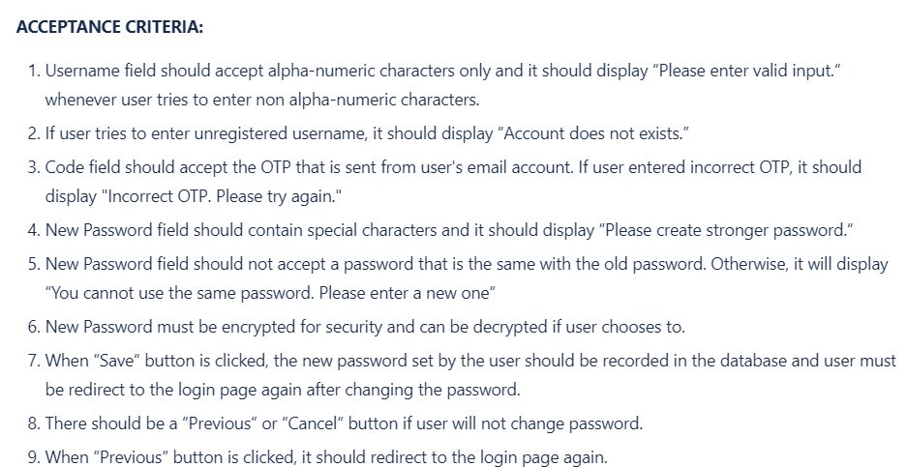
Tester Name | Sarmiento, Vince
Total # of Test Case | 17
Not Started | 0
In Progress | 17
Passed | 0
Failed | 0
Blocked | 0

Test ID | Module Name | Test Scenario | Pre-requisite | Environment Information | Test Data | Test Steps | Expected Results | Actual Results | Status | Comments
TC_001 | Create Backend for Forgot Password Functionality | Username field should accept alpha-numeric characters only and it should display “Please enter valid input.“ whenever user tries to enter non alpha-numeric characters. using their registered username and password in the database. | 1. Internet Connection 2. Browser (Chrome, Firefox, Edge) 3. Running osd-records-mgt-web | 1. OS: Windows/Linux/Mac 2. System: Laptop/Desktop | Enter usrename: Esdi01+ Enter Password: @Changeme_2 | 1. Open the backend of OSD-RECORDS-MGT web 2. Run the OSD-RECORDS-MGT web 3. enter the Test data | Display: “Please enter valid input.“ |  | In progress | None
TC_002 | Create Backend for Forgot Password Functionality | If user tries to enter unregistered username, a message “Account does not exists.“ should be displayed. | 1. Internet Connection 2. Browser (Chrome, Firefox, Edge) 3. Running osd-records-mgt-web | 1. OS: Windows/Linux/Mac 2. System: Laptop/Desktop | Username: Esdi01+ Password: Changeme0 | 1. Open the backend of OSD-RECORDS-MGT web 2. Run the OSD-RECORDS-MGT web 3. enter the Test data | Display “Account does not exist.“ |  | In progress | None
TC_003 | Create Backend for Forgot Password Functionality | The Code field should accept the OTP that is sent from user's email account. If user entered incorrect OTP, it should display "Incorrect OTP. Please try again." | 1. Internet Connection 2. Browser (Chrome, Firefox, Edge) 3. Running osd-records-mgt-web | 1. OS: Windows/Linux/Mac 2. System: Laptop/Desktop | OTP number: 12345 Enter OTP number: abcdefg | 1. Open the backend of OSD-RECORDS-MGT web 2. Run the OSD-RECORDS-MGT web | Display: "Incorrect OTP. Please try again." |  | In progress | None
TC_004 | Create Backend for Forgot Password Functionality | New Password should accept inputs that has special characters. Otherwise, it should display “Please create stronger password.“ | 1. Internet Connection 2. Browser (Chrome, Firefox, Edge) 3. Running osd-records-mgt-web | 1. OS: Windows/Linux/Mac 2. System: Laptop/Desktop | Enter Password: Changeme0123 | 1. Open the backend of OSD-RECORDS-MGT web 2. Run the OSD-RECORDS-MGT web | Display: “Please create stronger password.“ |  | In progress | None
TC_005 | Create Backend for Forgot Password Functionality | If user entered a password that is the same with the old password, it should display “You cannot use the same password. Please enter a new one.“ | 1. Internet Connection 2. Browser (Chrome, Firefox, Edge) 3. Running osd-records-mgt-web | 1. OS: Windows/Linux/Mac 2. System: Laptop/Desktop | Old password: @Changeme_01 Enter New Password: @Changeme_01 | 1. Open the backend of OSD-RECORDS-MGT web 2. Run the OSD-RECORDS-MGT web | Display: “You cannot use the same password. Please enter a new one.“ |  | In progress | None
TC_006 | Create Backend for Forgot Password Functionality | It should be recorded in the database once done. | 1. Internet Connection 2. Browser (Chrome, Firefox, Edge) 3. Running osd-records-mgt-web | 1. OS: Windows/Linux/Mac 2. System: Laptop/Desktop | Old password: @Changeme_01 New Password: @Changeme#01 | 1. Open the backend of OSD-RECORDS-MGT web 2. Run the OSD-RECORDS-MGT web | recorded to database. |  | In progress | None
TC_007 | Create Backend for Forgot Password Functionality | There should be complete and proper documentation. | 1. Internet Connection 2. Browser (Chrome, Firefox, Edge) 3. Running osd-records-mgt-web | 1. OS: Windows/Linux/Mac 2. System: Laptop/Desktop | check the program | 1. Open the backend of OSD-RECORDS-MGT web 2. Run the OSD-RECORDS-MGT web | implement proper documentation successful. |  | In progress | None
TC_008 | Create Backend for Forgot Password Functionality | All unit tests should be working. | 1. Internet Connection 2. Browser (Chrome, Firefox, Edge) 3. Running osd-records-mgt-web | 1. OS: Windows/Linux/Mac 2. System: Laptop/Desktop | run the unit testing. | 1. Open the backend of OSD-RECORDS-MGT web 2. Run the OSD-RECORDS-MGT web | all unit tests passed. |  | In progress | None
TC_009 | Create Frontend for Forgot Password Functionality | Username field should accept alpha-numeric characters only and it should display “Please enter valid input.“ whenever user tries to enter non alpha-numeric characters. | 1. Internet Connection 2. Browser (Chrome, Firefox, Edge) 3. Running osd-records-mgt-web | 1. OS: Windows/Linux/Mac 2. System: Laptop/Desktop | Enter usrename: Esdi01+ Enter Password: @Changeme_2 | 1. Open the backend of OSD-RECORDS-MGT web 2. Run the OSD-RECORDS-MGT web | Display: “Please enter valid input.“ |  | In progress | None
TC_010 | Create Frontend for Forgot Password Functionality | If user tries to enter unregistered username, it should display “Account does not exists.” | 1. Internet Connection 2. Browser (Chrome, Firefox, Edge) 3. Running osd-records-mgt-web | 1. OS: Windows/Linux/Mac 2. System: Laptop/Desktop | Username: Esdi01+ Password: Changeme0 | 1. Open the backend of OSD-RECORDS-MGT web 2. Run the OSD-RECORDS-MGT web | Display “Account does not exist.“ |  | In progress | None
TC_011 | Create Frontend for Forgot Password Functionality | Code field should accept the OTP that is sent from user's email account. If user entered incorrect OTP, it should display "Incorrect OTP. Please try again." | 1. Internet Connection 2. Browser (Chrome, Firefox, Edge) 3. Running osd-records-mgt-web | 1. OS: Windows/Linux/Mac 2. System: Laptop/Desktop | OTP number: 12345 Enter OTP number: abcdefg | 1. Open the backend of OSD-RECORDS-MGT web 2. Run the OSD-RECORDS-MGT web | Display: "Incorrect OTP. Please try again." |  | In progress | None
TC_012 | Create Frontend for Forgot Password Functionality | New Password field should contain special characters and it should display “Please create stronger password.“ | 1. Internet Connection 2. Browser (Chrome, Firefox, Edge) 3. Running osd-records-mgt-web | 1. OS: Windows/Linux/Mac 2. System: Laptop/Desktop | Enter Password: Changeme0123 | 1. Open the backend of OSD-RECORDS-MGT web 2. Run the OSD-RECORDS-MGT web | Display: “Please create stronger password.“ |  | In progress | None
TC_013 | Create Frontend for Forgot Password Functionality | New Password field should not accept a password that is the same with the old password. Otherwise, it will display “You cannot use the same password. Please enter a new one“ | 1. Internet Connection 2. Browser (Chrome, Firefox, Edge) 3. Running osd-records-mgt-web | 1. OS: Windows/Linux/Mac 2. System: Laptop/Desktop | Old password: @Changeme_01 Enter New Password: @Changeme_01 | 1. Open the backend of OSD-RECORDS-MGT web 2. Run the OSD-RECORDS-MGT web | Display: “You cannot use the same password. Please enter a new one.“ |  | In progress | None
TC_014 | Create Frontend for Forgot Password Functionality | New Password must be encrypted for security and can be decrypted if user chooses to. | 1. Internet Connection 2. Browser (Chrome, Firefox, Edge) 3. Running osd-records-mgt-web | 1. OS: Windows/Linux/Mac 2. System: Laptop/Desktop | Click the "eye" button to turn to encrypted and decrypted. | 1. Open the backend of OSD-RECORDS-MGT web 2. Run the OSD-RECORDS-MGT web | User are able to click the eye button to turn to encrypted or decrypted. |  | In progress | None
TC_015 | Create Frontend for Forgot Password Functionality | When “Save“ button is clicked, the new password set by the user should be recorded in the database and user must be redirect to the login page again after changing the password. | 1. Internet Connection 2. Browser (Chrome, Firefox, Edge) 3. Running osd-records-mgt-web | 1. OS: Windows/Linux/Mac 2. System: Laptop/Desktop | Click the "save" button. | 1. Open the backend of OSD-RECORDS-MGT web 2. Run the OSD-RECORDS-MGT web | User redirect to the login page. |  | In progress | None
TC_016 | Create Frontend for Forgot Password Functionality | There should be a “Previous“ or “Cancel“ button if user will not change password. | 1. Internet Connection 2. Browser (Chrome, Firefox, Edge) 3. Running osd-records-mgt-web | 1. OS: Windows/Linux/Mac 2. System: Laptop/Desktop | Click the "previous" button to cancel change password. | 1. Open the backend of OSD-RECORDS-MGT web 2. Run the OSD-RECORDS-MGT web | User are able successfully cancel to change password. |  | In progress | None
TC_017 | Create Frontend for Forgot Password Functionality | When “Previous“ button is clicked, it should redirect to the login page again. | 1. Internet Connection 2. Browser (Chrome, Firefox, Edge) 3. Running osd-records-mgt-web | 1. OS: Windows/Linux/Mac 2. System: Laptop/Desktop | Click the "previous" button. | 1. Open the backend of OSD-RECORDS-MGT web 2. Run the OSD-RECORDS-MGT web | User redirect to the login page. |  | In progress | None

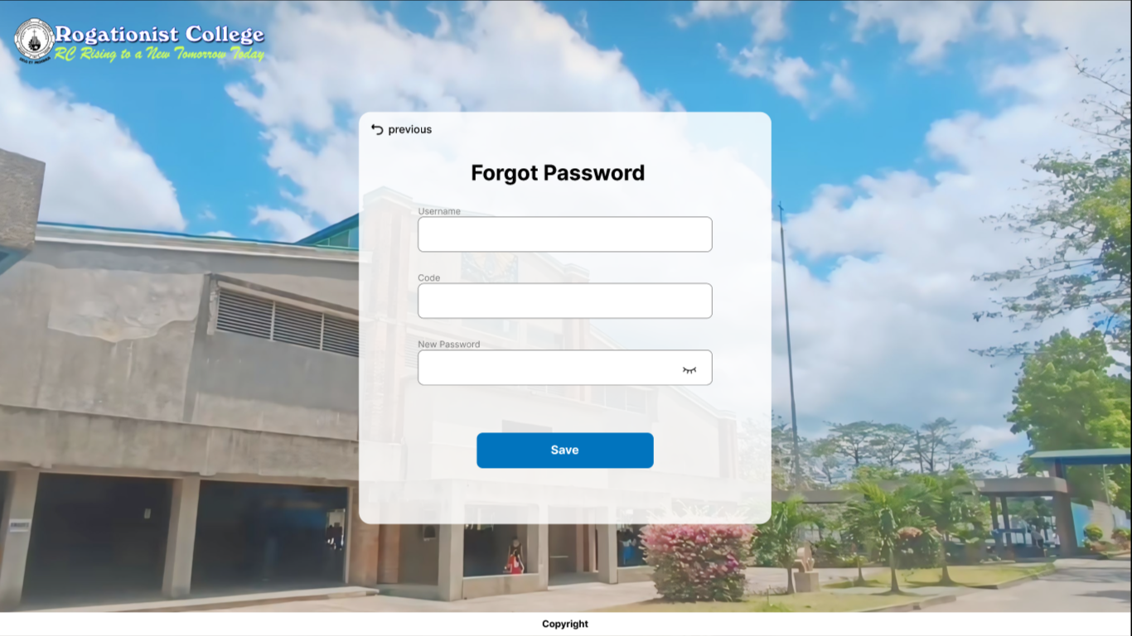

 | Create Backend for Forgot Password Functionality
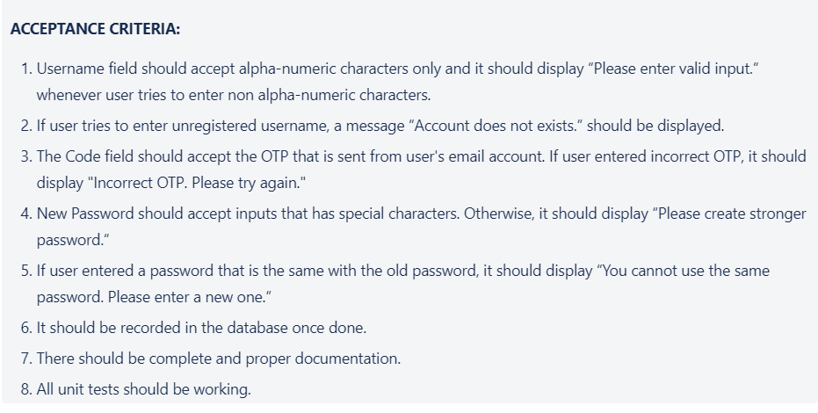

 | Create Frontend for Forgot Password Functionality

